BUCK
Reference | https://passive-components.eu/buck-converter-design-and-calculation/
 | Buck Converter
 | INPUT DATA |  |  | OUTPUT DATA
 | Variable | Val | Unit | Duty Cycle | 0.5983935743
 | Vin | 12 | V | Inductor
 | Vout | 7 | V | Min Inductance | 8.5484796328E-05 | 85.484796328 | uH
 | Iout | 1 | A | Ripple Current | 0.35 |  | A
 | Fsw | 100000 | Hz | Isat | 1.175 |  | A
 | Forward Voltage of Diode(1N5822) | 0.45 | V | Input Capacitor
 | Ripple Current Factor | 0.35 |  | Irms in Input Cap | 0.5060717351 |  | A
 | Output Cap Ripple Voltage | 0.28 | V | Output Capacitor
 |  |  |  | Countering Vripple
 | Max Output Voltage Drop | 0.1 | V | Min Cap | 1.5625E-06 | 1.5625 | uF
 |  |  |  | Countering Voltage Drop
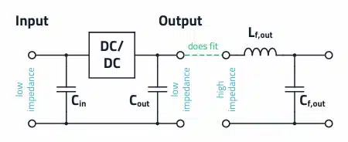
 |  |  |  | Istep | 0.5 |  | A
 |  |  |  | Min Cstep | 1.5265142201E-05 | 15.265142201 | uF
 |  |  |  | Irms on output Cap | 0.10103629711 |  | A

NE555 (Astable Mode)
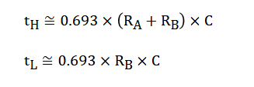
NE555 CALCULATION (Astable)
INPUT |  |  | OUTPUT
Var | Val | Unit | Var | Val | Unit
Freq | 100000 | Hz | C | 0.000000001 | F
C | 1 | nF | Ra | 10400 | ohm
RB | 2000 | ohm | Th | 8.5932E-06 | s
 |  |  | Tl | 0.000001386 | s
 |  |  | D | 0.86111111111
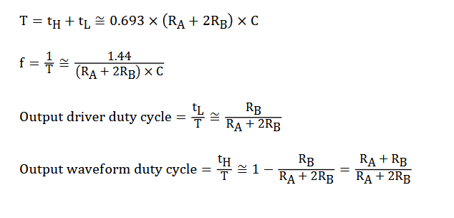

$$f=\frac{1.44}{{(R}_{A}+2R_{B})×C}$$
 |  |  | Check Calc Integrity
 |  |  | f | 100000 | Hz

$$R_{A}+2R_{B}=\frac{1.44}{f×C}$$

$$R_{A}=\frac{1.44}{f×C}−2R_{B}$$

NE555 (PWM Mode)
NE555 CALCULATION (PWM Mode)
INPUT |  |  | OUTPUT |  |  | Duty Cycle Calculator
Var | Val | Unit | Var | Val | Unit | INPUT |  |  | OUTPUT
Freq | 100000 | Hz | C | 7.5E-11 | F | R1 | 5000 | ohm | Rpot | 192000 | ohm
C | 75 | pF | Rpot | 192000 | ohm |  |  |  | R2 | 187000 | ohm
 |  |  |  |  |  |  |  |  | Th | 2.59875E-07 | s
 |  |  |  |  |  |  |  |  | Tl | 9.719325E-06 | s
$$f=\frac{1.44}{R_{pot}∗C}$$
 |  |  | Check Calc Integrity |  |  |  |  |  | D | 0.026041666667
 |  |  | f | 100000 | Hz

